Sheet1
1. Data for P&L |  | 2. LookUp table
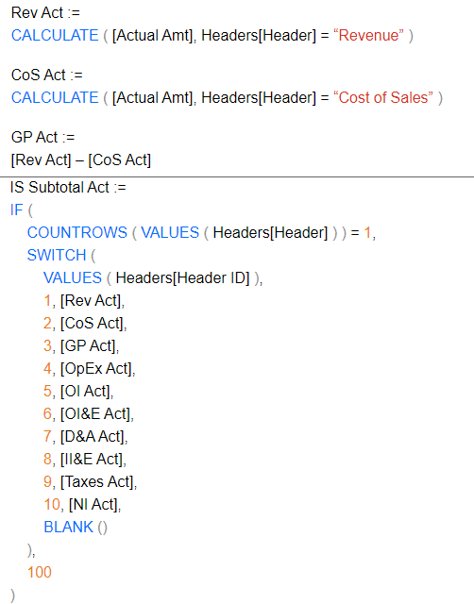
Item | Amount | Display Item | Flag
Revenue | 277 | Revenue
Revenue | 298 | COGS
Revenue | 238 | Profit | 1
Revenue | 169 | DDA
Revenue | 162 | EBITDA | 1
Revenue | 141
COGS | -119 | 3. Resulting pivot table
COGS | -129
COGS | -111 | Row Labels | MySym | Test | Test w.dummies | Gross Profit | EBITDA
COGS | -112 | 1
COGS | -134 | Revenue | 1,285.00 | 1,285.00 | 1,285 | 1,285.00 | 1285
COGS | -142 | 2
COGS | -127 | COGS | -1,120.00 | -1,120.00 | -1,120 | -1,120.00 | -1120
COGS | -103 | 3
COGS | -143 | Profit |  |  | 333
DDA | -13 | 4
DDA | -20 | DDA | -11.00 | -11.00 | -11 |  | -11
DDA | -25 | 5
DDA | 47 | EBITDA |  |  | 555
 | 154 | Grand Total | 154.00 | 154.00 | 154 | 165.00 | 154

There should be number here,
1,285 - 1,120 = 165
but it's not.
And EBITDA should be calculated as well 154

